Hoka MEN & WMN
 |  |  |  |  |  |  | 7 | 7.5 | 8 | 8.5 | 9 | 9.5 | 10 | 10.5 | 11 | Total
Model | Picture | Style No. | Color | 38 | 38.5 | 39 | 40 | 40.5 | 41 | 42 | 42.5 | 43 | 44 | 44.5 | 45 |  | GENDER | CAT | Brand3 | DIV | DEP | CLASS | Retail Price
Hoka Bondi 8 | 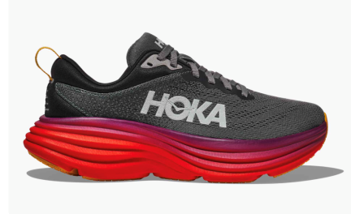 | 1123202-ACTL | ANTHRACITE/CASTLEROCK |  |  |  | 80 | 120 | 160 | 200 | 200 | 210 | 210 | 180 | 160 | 1520 | MENS | FTW | HOKA | SPORTS FOOTWEAR | SPTS FTWR MEN | SPTS FTWR MEN SHOES | 180.00 €
Hoka Bondi 8 | 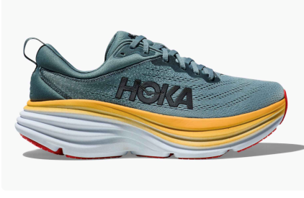 | 1123202-GBMS | Goblin Blue/Mountain Spring |  |  |  | 80 | 120 | 160 | 200 | 200 | 210 | 210 | 180 | 160 | 1520 | MENS | FTW | HOKA | SPORTS FOOTWEAR | SPTS FTWR MEN | SPTS FTWR MEN SHOES | 180.00 €
Hoka Clifton 8 | 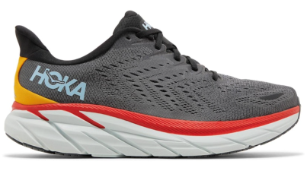 | 1119393-ACTL | Anthracite/Castlerock |  |  |  | 80 | 120 | 160 | 200 | 200 | 210 | 210 | 180 | 160 | 1520 | MENS | FTW | HOKA | SPORTS FOOTWEAR | SPTS FTWR MEN | SPTS FTWR MEN SHOES | 160.00 €
Hoka Clifton 8 | 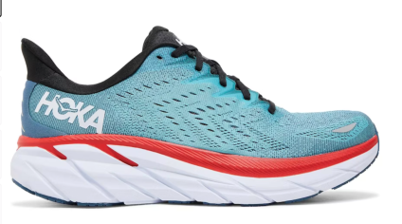 | 1119393-RTAR | Real Teal/Aquarelle |  |  |  | 80 | 120 | 160 | 200 | 200 | 210 | 210 | 180 | 160 | 1520 | MENS | FTW | HOKA | SPORTS FOOTWEAR | SPTS FTWR MEN | SPTS FTWR MEN SHOES | 160.00 €
Hoka Bondi 8 | 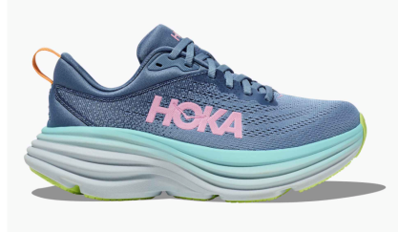 | 1127952-SSK | Shadow/ Dusk | 210 | 210 | 70 | 50 | 50 | 50 | 40 |  |  |  |  |  | 680 | WMN | FTW | HOKA | SPORTS FOOTWEAR | SPTS FTWR WMN | SPTS FTWR WMN SHOES | 180.00 €
Hoka Clifton 8 | 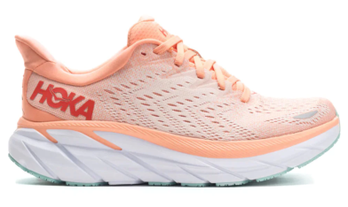 | 1119394-CSPY | Cantaloupe | 210 | 210 | 70 | 50 | 50 | 50 | 40 |  |  |  |  |  | 680 | WMN | FTW | HOKA | SPORTS FOOTWEAR | SPTS FTWR WMN | SPTS FTWR WMN SHOES | 180.00 €
 |  |  |  |  |  |  |  |  |  |  |  |  |  |  |  | 7440

